Defect Pareto
Defect Category | Number of Defects | Cumulative % | 80% Threshold | Pareto Dataset – Customer Revenue Analysis
Fiber Breakage | 145 | 14.4% | 80.0%
Cable Diameter Variation | 120 | 26.3% | 80.0% | Rank | Customer Name | Annual Sales (₹ Lakhs)
Outer Jacket Scratch | 105 | 36.7% | 80.0% | 1 | Reliance Jio Infocomm Ltd. | 1200
Loose Tube Damage | 92 | 45.8% | 80.0% | 2 | Bharti Airtel Ltd. | 950
Color Coding Error | 80 | 53.8% | 80.0% | 3 | BSNL | 780
Improper Armouring | 74 | 61.1% | 80.0% | 4 | Power Grid Corporation | 720
Water Blocking Failure | 66 | 67.7% | 80.0% | 5 | RailTel Corporation | 650
Excess Attenuation | 59 | 73.5% | 80.0% | 6 | Tata Projects Ltd. | 520
Drum Packing Damage | 54 | 78.9% | 80.0% | 7 | Larsen & Toubro Ltd. | 450
Printing Error on Cable | 49 | 83.7% | 80.0% | 8 | HFCL Ltd. | 380
Wrong Cable Length | 45 | 88.2% | 80.0% | 9 | ITI Limited | 310
Connector Defect | 40 | 92.2% | 80.0% | 10 | Sterlite Technologies | 260
Incorrect Batch Label | 36 | 95.7% | 80.0% | 11 | Techno Electric | 190
Poor Adhesion of Jacket | 15 | 97.2% | 80.0% | 12 | Kalpataru Projects | 170
Ovality Issue | 10 | 98.2% | 80.0% | 13 | KEC International | 155
Buffer Tube Crack | 8 | 99.0% | 80.0% | 14 | NCC Limited | 140
Gel Leakage | 5 | 99.5% | 80.0% | 15 | Megha Engineering | 125
Core Misalignment | 3 | 99.8% | 80.0% | 16 | Vindhya EPC Services | 110
Foreign Particle Inclusion | 2 | 100.0% | 80.0% | 17 | G R Infraprojects | 95
 |  |  |  | 18 | Shyam Telecom | 82
Analyze this defect data and identify the few defect categories responsible for approximately 80% of total defects. Explain the root causes and recommend corrective actions. |  |  |  | 19 | Tejas Networks | 75
 |  |  |  | 20 | Local Government Projects | 68
Approximately 80% of results come from 20% of the causes. |  |  |  | 21 | Regional ISP Projects | 60
 |  |  |  | 22 | Industrial Customers | 52
It was developed by Italian economist Vilfredo Pareto after observing that about 80% of Italy's land was owned by roughly 20% of the population. |  |  |  | 23 | Private Contractors | 45
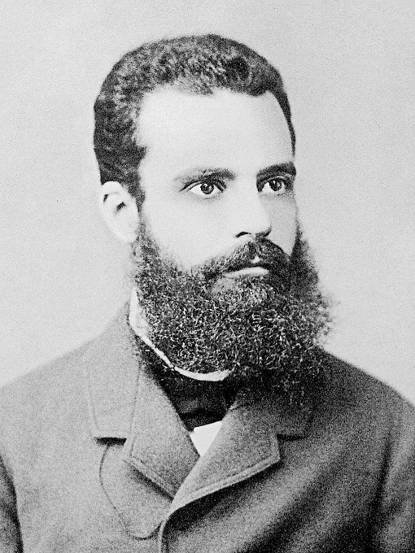
 |  |  |  | 24 | Export Customers | 40
 |  |  |  | 25 | Miscellaneous Customers | 31

 |  |  |  | Prompt 1
 |  |  |  | Analyze this customer sales data using the Pareto Principle. Calculate the cumulative revenue percentage, identify the customers contributing to approximately 80% of total revenue, create a Pareto Chart, and recommend a Key Account Management strategy for Vindhya Telelinks Ltd.

Why a Pareto Chart is Useful

A Pareto Chart helps you answer:

Which problems should we solve first?
Which defects have the greatest business impact?
Where should we focus our improvement efforts?

